1
name | ws | SQUARED
Brent_Crude_Oil | 731,517.50000 | 5.3511785281E+11
Brent_Crude_Oil | 438,910.50000 | 1.9264242701E+11
Brent_Crude_Oil | 292,607.00000 | 85618856449
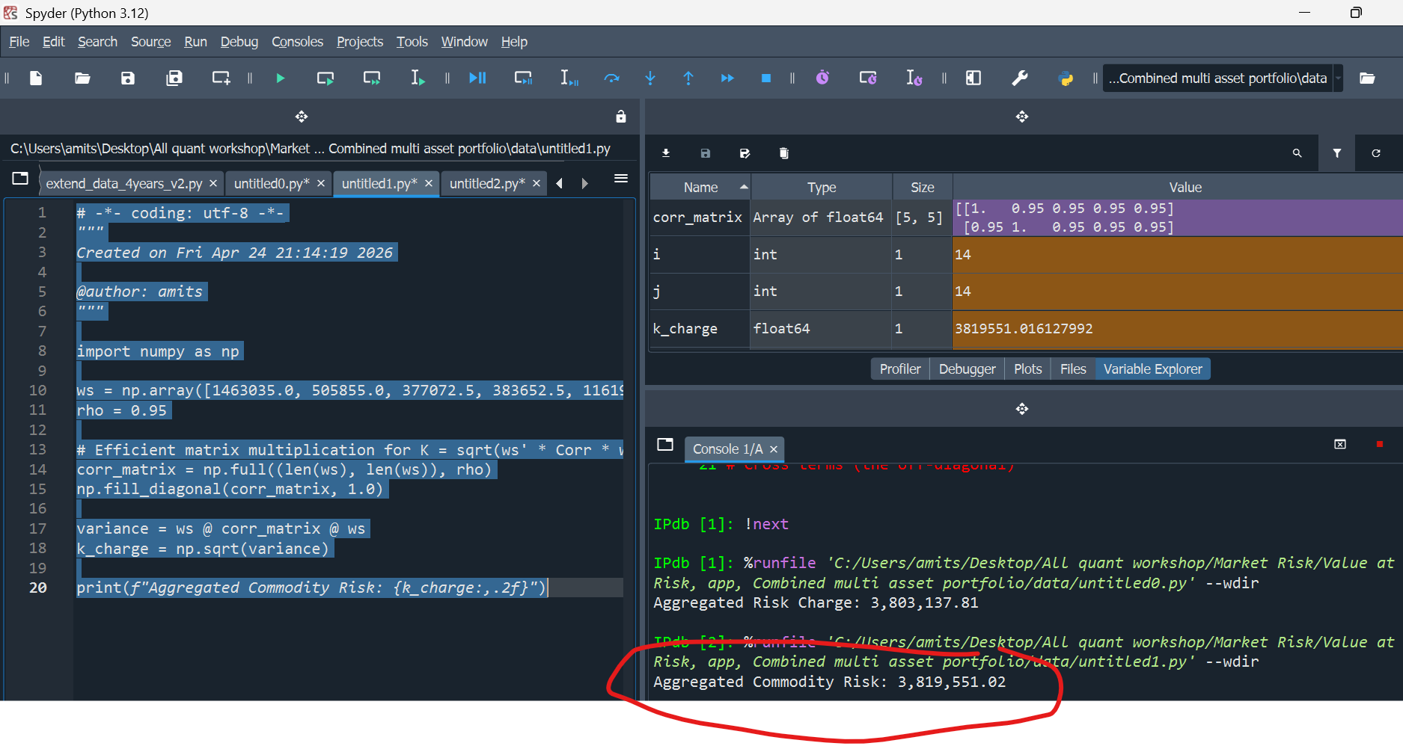
Low_Sulphur_Gas_Oil | 252,927.50000 | 63972320256
Low_Sulphur_Gas_Oil | 151,756.50000 | 23030035292
Low_Sulphur_Gas_Oil | 101,171.00000 | 10235571241
RBOB_Gasoline | 188,536.25000 | 35545917564
RBOB_Gasoline | 113,121.75000 | 12796530323
RBOB_Gasoline | 75,414.50000 | 5687346810.2
ULS_Diesel | 191,826.25000 | 36797310189
ULS_Diesel | 115,095.75000 | 13247031668
ULS_Diesel | 76,730.50000 | 5887569630.2
WTI_Crude_Oil | 580,982.50000 | 3.3754066531E+11
WTI_Crude_Oil | 348,589.50000 | 1.2151463951E+11
WTI_Crude_Oil | 232,393.00000 | 54006506449

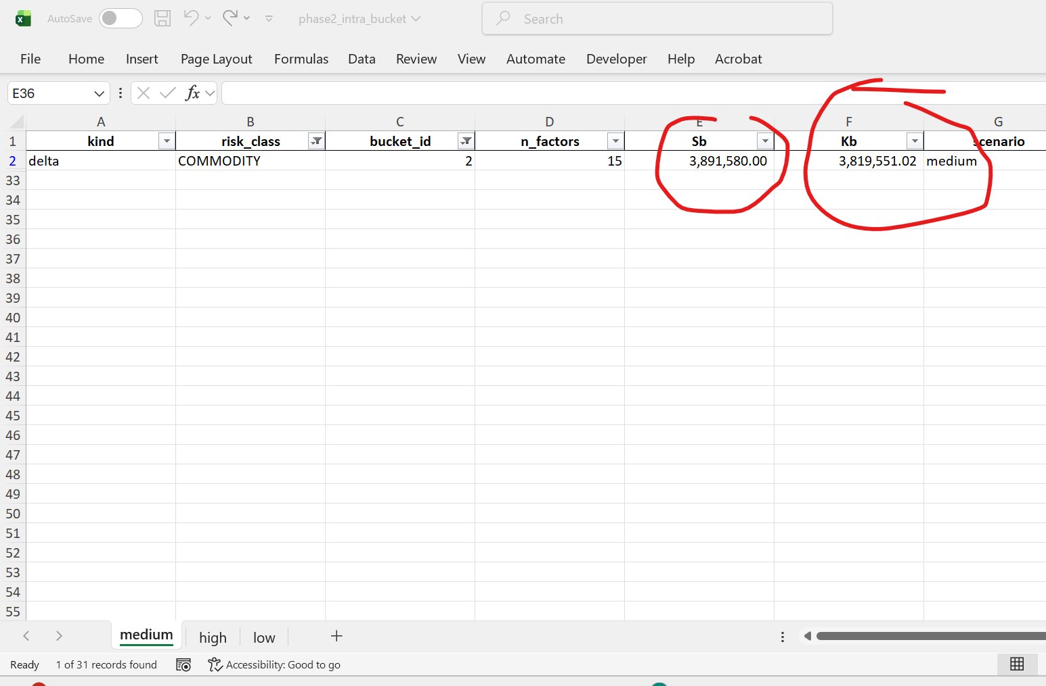

# -*- coding: utf-8 -*-
"""
Created on Fri Apr 24 21:14:19 2026
@author: amits
"""
import numpy as np
ws = np.array([1463035.0, 505855.0, 377072.5, 383652.5, 1161965.0])
rho = 0.95
# Efficient matrix multiplication for K = sqrt(ws' * Corr * ws)
corr_matrix = np.full((len(ws), len(ws)), rho)
np.fill_diagonal(corr_matrix, 1.0)
variance = ws @ corr_matrix @ ws
k_charge = np.sqrt(variance)
print(f"Aggregated Commodity Risk: {k_charge:,.2f}")

2
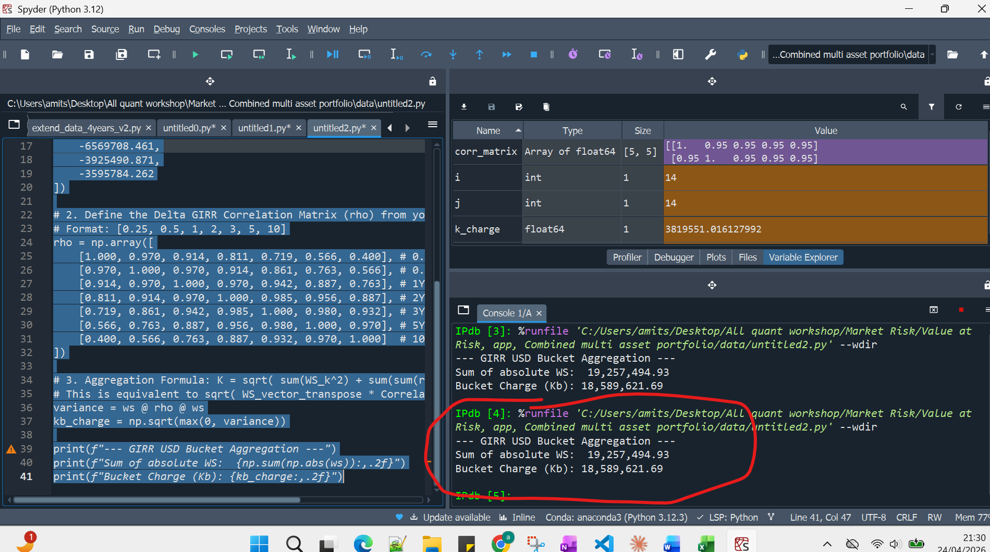
Row Labels | Sum of ws
0.25 | -76641.729836
0.5 | -1728351.1584
# -*- coding: utf-8 -*-
"""
Created on Fri Apr 24 21:29:13 2026
@author: amits
"""
import numpy as np
# 1. Define the Tenors and Weighted Sensitivities (WS) from your image
tenors = ['0.25', '0.5', '1', '2', '3', '5', '10']
ws = np.array([
-76641.72984,
-1728351.158,
-974974.2244,
-2386544.221,
-6569708.461,
-3925490.871,
-3595784.262
])
# 2. Define the Delta GIRR Correlation Matrix (rho) from your image
# Format: [0.25, 0.5, 1, 2, 3, 5, 10]
rho = np.array([
[1.000, 0.970, 0.914, 0.811, 0.719, 0.566, 0.400], # 0.25Y
[0.970, 1.000, 0.970, 0.914, 0.861, 0.763, 0.566], # 0.5Y
[0.914, 0.970, 1.000, 0.970, 0.942, 0.887, 0.763], # 1Y
[0.811, 0.914, 0.970, 1.000, 0.985, 0.956, 0.887], # 2Y
[0.719, 0.861, 0.942, 0.985, 1.000, 0.980, 0.932], # 3Y
[0.566, 0.763, 0.887, 0.956, 0.980, 1.000, 0.970], # 5Y
[0.400, 0.566, 0.763, 0.887, 0.932, 0.970, 1.000] # 10Y
])
# 3. Aggregation Formula: K = sqrt( sum(WS_k^2) + sum(sum(rho_kl * WS_k * WS_l)) )
# This is equivalent to sqrt( WS_vector_transpose * Correlation_Matrix * WS_vector )
variance = ws @ rho @ ws
kb_charge = np.sqrt(max(0, variance))
print(f"--- GIRR USD Bucket Aggregation ---")
print(f"Sum of absolute WS: {np.sum(np.abs(ws)):,.2f}")
print(f"Bucket Charge (Kb): {kb_charge:,.2f}")
1 | -974974.22441
2 | -2386544.2206
3 | -6569708.461
5 | -3925490.8706
10 | -3595784.2618
(blank)
Grand Total | -19257494.927

3
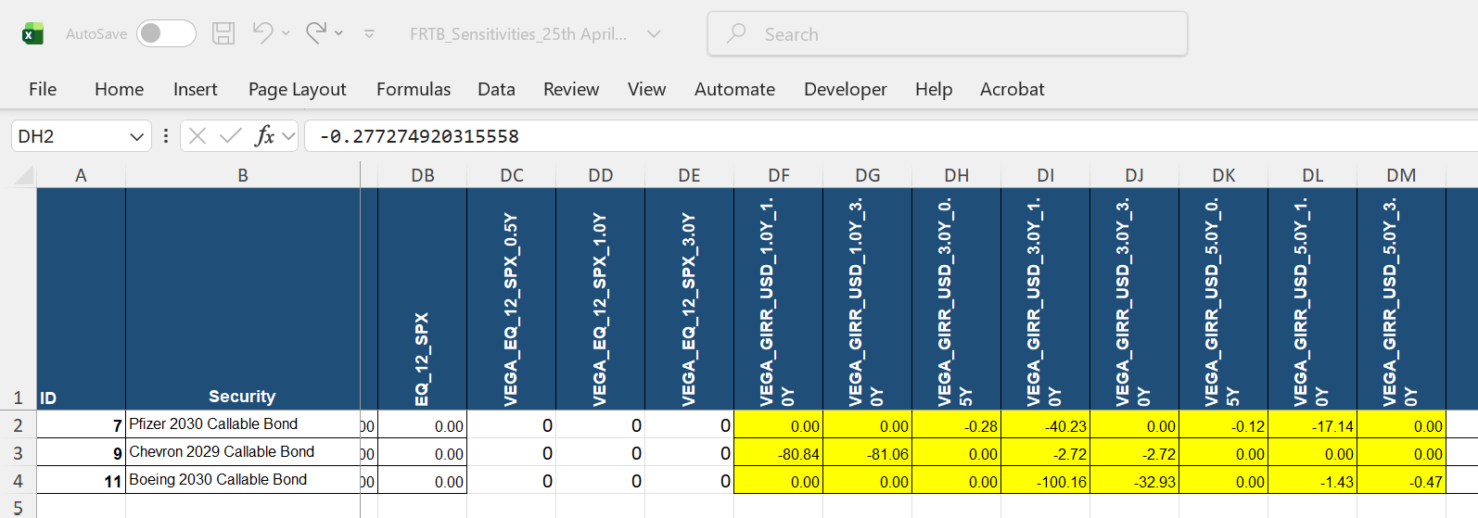
1. GIRR Vega tenors.
a) Option maturity tenors1,3,5Y
b) Underlying maturity tenors 0.5, 1, 3Y

2. Option maturity correlation where Tk and Tl are option maturity tenors:

3. Underlying maturity correlation where Tk and Tl are Underlying maturitiy tenors:

4. Correlation between option maturity and underlying maturity, so you need to multiply numbers in steps 2 and 3 to arrive at step 4

Correlation Output from Gemini

Sensitivities:
Risk factor | ws
VEGA_GIRR_USD_1.0Y_1.0Y | -80.83820525
VEGA_GIRR_USD_1.0Y_3.0Y | -81.05983158
VEGA_GIRR_USD_3.0Y_0.5Y | -0.27727492
VEGA_GIRR_USD_3.0Y_1.0Y | -40.23259094
VEGA_GIRR_USD_3.0Y_1.0Y | -2.716529713
VEGA_GIRR_USD_3.0Y_1.0Y | -100.1575921
VEGA_GIRR_USD_3.0Y_3.0Y | -2.723977361
VEGA_GIRR_USD_3.0Y_3.0Y | -32.93039521
VEGA_GIRR_USD_5.0Y_0.5Y | -0.118136167
VEGA_GIRR_USD_5.0Y_1.0Y | -17.14155778
VEGA_GIRR_USD_5.0Y_1.0Y | -1.425359693
VEGA_GIRR_USD_5.0Y_3.0Y | -0.468638044

My Kb

Low, medium and High correlation s have been tested

Also Vega sensitivities were picked correctly in stage 2

9
1 | Sensitivities and RWs correctly captured
2 | WS correct
3 | Correlations look correct. Seem to follow the multiplication guidelines of tranche, tenor
4 | Bucket 4 charge is correct
5 | Total Medium SCR_Non CTP is correct , aggregating all buckets correctly

kind | risk_class | bucket_id | security | tenor | ws | security
delta | CSR_SEC_NONCTP | 4 | CMBS-2024-RE1-A1 (Senior) | 0.5 | -19114.007109 | CSR_SEC_NONCTP_4_0.5Y [CMBS-2024-RE1-A1 (Senior)]
delta | CSR_SEC_NONCTP | 4 | CMBS-2024-RE1-A2 | 0.5 | -1522.7337342 | CSR_SEC_NONCTP_4_0.5Y [CMBS-2024-RE1-A2]
delta | CSR_SEC_NONCTP | 4 | CMBS-2024-RE1-A1 (Senior) | 1 | -135622.19691 | CSR_SEC_NONCTP_4_1.0Y [CMBS-2024-RE1-A1 (Senior)]
delta | CSR_SEC_NONCTP | 4 | CMBS-2024-RE1-A2 | 1 | -10710.066651 | CSR_SEC_NONCTP_4_1.0Y [CMBS-2024-RE1-A2]
delta | CSR_SEC_NONCTP | 4 | CMBS-2024-RE1-A1 (Senior) | 3 | -402364.45047 | CSR_SEC_NONCTP_4_3.0Y [CMBS-2024-RE1-A1 (Senior)]
delta | CSR_SEC_NONCTP | 4 | CMBS-2024-RE1-A2 | 3 | -31357.571333 | CSR_SEC_NONCTP_4_3.0Y [CMBS-2024-RE1-A2]
delta | CSR_SEC_NONCTP | 4 | CMBS-2024-RE1-A1 (Senior) | 5 | -4487478.3818 | CSR_SEC_NONCTP_4_5.0Y [CMBS-2024-RE1-A1 (Senior)]
delta | CSR_SEC_NONCTP | 4 | CMBS-2024-RE1-A2 | 5 | -334082.17895 | CSR_SEC_NONCTP_4_5.0Y [CMBS-2024-RE1-A2]
delta | CSR_SEC_NONCTP | 4 | CMBS-2024-RE1-A1 (Senior) | 10 | -7682965.7983 | CSR_SEC_NONCTP_4_10.0Y [CMBS-2024-RE1-A1 (Senior)]
delta | CSR_SEC_NONCTP | 4 | CMBS-2024-RE1-A2 | 10 | -568900.98679 | CSR_SEC_NONCTP_4_10.0Y [CMBS-2024-RE1-A2]
delta | CSR_SEC_NONCTP | 6 | ABCP MultiSeller 2025 | 0.5 | -1614316.6277
delta | CSR_SEC_NONCTP | 6 | CC-ABS-2024-A (Senior) | 0.5 | -17258.924843
delta | CSR_SEC_NONCTP | 6 | ABCP MultiSeller 2025 | 1 | -688244.33481
delta | CSR_SEC_NONCTP | 6 | CC-ABS-2024-A (Senior) | 1 | -711912.73806
delta | CSR_SEC_NONCTP | 6 | CC-ABS-2024-A (Senior) | 3 | -3847406.869
delta | CSR_SEC_NONCTP | 6 | CC-ABS-2024-A (Senior) | 5 | -66019.523839
delta | CSR_SEC_NONCTP | 7 | AUTO-2024-1-A (Senior) | 0.5 | -49561.767053
delta | CSR_SEC_NONCTP | 7 | AUTO-2024-1-A (Senior) | 1 | -342658.89134
delta | CSR_SEC_NONCTP | 7 | AUTO-2024-1-A (Senior) | 3 | -641413.54971
delta | CSR_SEC_NONCTP | 7 | AUTO-2024-1-A (Senior) | 5 | -36187.206066
delta | CSR_SEC_NONCTP | 8 | CLO-2019-LVG-A (Senior) | 0.5 | -126099.19179
delta | CSR_SEC_NONCTP | 8 | CLO-2019-LVG-A (Senior) | 1 | -865732.37527
delta | CSR_SEC_NONCTP | 8 | CLO-2019-LVG-A (Senior) | 3 | -2432033.0855
delta | CSR_SEC_NONCTP | 8 | CLO-2019-LVG-A (Senior) | 5 | -1283659.2681
delta | CSR_SEC_NONCTP | 9 | RMBS-2023-1-M (Mezz) | 0.5 | -3686.8785104
delta | CSR_SEC_NONCTP | 9 | RMBS-2023-1-B (Short Mezz) | 0.5 | 1228.9595035
delta | CSR_SEC_NONCTP | 9 | RMBS-2023-1-M (Mezz) | 1 | -36144.551592
delta | CSR_SEC_NONCTP | 9 | RMBS-2023-1-B (Short Mezz) | 1 | 12048.183864
delta | CSR_SEC_NONCTP | 9 | RMBS-2023-1-M (Mezz) | 3 | -260000.47158
delta | CSR_SEC_NONCTP | 9 | RMBS-2023-1-B (Short Mezz) | 3 | 86666.82386
delta | CSR_SEC_NONCTP | 12 | CMBS-2024-RE1-B (Mezz) | 0.5 | -3542.6350632
delta | CSR_SEC_NONCTP | 12 | CMBS-2024-RE1-B (Mezz) | 1 | -24534.178589
delta | CSR_SEC_NONCTP | 12 | CMBS-2024-RE1-B (Mezz) | 3 | -70176.841065
delta | CSR_SEC_NONCTP | 12 | CMBS-2024-RE1-B (Mezz) | 5 | -689685.98887
delta | CSR_SEC_NONCTP | 12 | CMBS-2024-RE1-B (Mezz) | 10 | -1162881.952
delta | CSR_SEC_NONCTP | 14 | CC-ABS-2024-B (Mezz) | 0.5 | -2870.6057366
delta | CSR_SEC_NONCTP | 14 | CC-ABS-2024-C (Junior) | 0.5 | -1566.8855173
delta | CSR_SEC_NONCTP | 14 | CC-ABS-2024-B (Mezz) | 1 | -117571.55798
delta | CSR_SEC_NONCTP | 14 | CC-ABS-2024-C (Junior) | 1 | -62505.057679
delta | CSR_SEC_NONCTP | 14 | CC-ABS-2024-B (Mezz) | 3 | -634287.02618
delta | CSR_SEC_NONCTP | 14 | CC-ABS-2024-C (Junior) | 3 | -335023.62599
delta | CSR_SEC_NONCTP | 14 | CC-ABS-2024-B (Mezz) | 5 | -10868.452109
delta | CSR_SEC_NONCTP | 14 | CC-ABS-2024-C (Junior) | 5 | -5710.0330305
delta | CSR_SEC_NONCTP | 15 | AUTO-2024-1-B (Short Mezz) | 0.5 | 9248.6070829
delta | CSR_SEC_NONCTP | 15 | AUTO-2024-1-B (Short Mezz) | 1 | 63309.542922
delta | CSR_SEC_NONCTP | 15 | AUTO-2024-1-B (Short Mezz) | 3 | 117297.64201
delta | CSR_SEC_NONCTP | 15 | AUTO-2024-1-B (Short Mezz) | 5 | 6576.6336474
delta | CSR_SEC_NONCTP | 16 | CLO-2023-LVG-B (Mezz) | 0.5 | -7461.0114055
delta | CSR_SEC_NONCTP | 16 | CLO-2023-LVG-C (Mezz) | 0.5 | -3316.0050694
delta | CSR_SEC_NONCTP | 16 | CLO-2023-LVG-B (Mezz) | 1 | -89265.472048
delta | CSR_SEC_NONCTP | 16 | CLO-2023-LVG-C (Mezz) | 1 | -39673.543133
delta | CSR_SEC_NONCTP | 16 | CLO-2023-LVG-B (Mezz) | 3 | -1463913.0638
delta | CSR_SEC_NONCTP | 16 | CLO-2023-LVG-C (Mezz) | 3 | -650628.02837
delta | CSR_SEC_NONCTP | 16 | CLO-2023-LVG-B (Mezz) | 5 | -975544.62899
delta | CSR_SEC_NONCTP | 16 | CLO-2023-LVG-C (Mezz) | 5 | -433575.39066

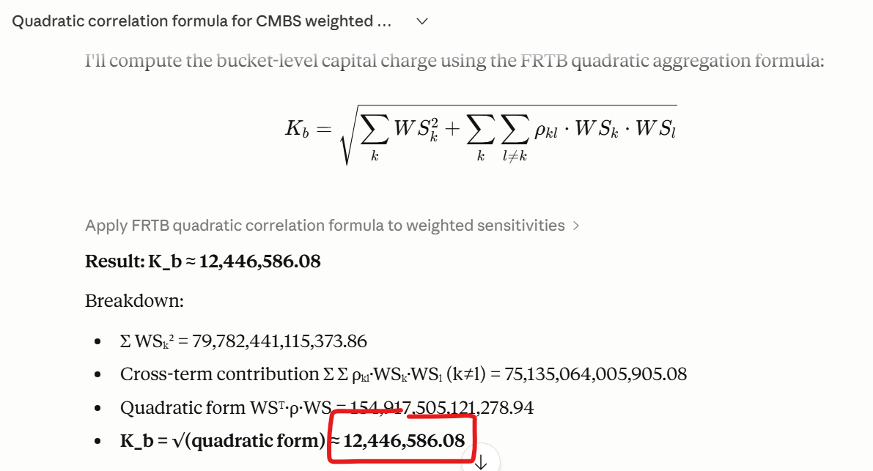

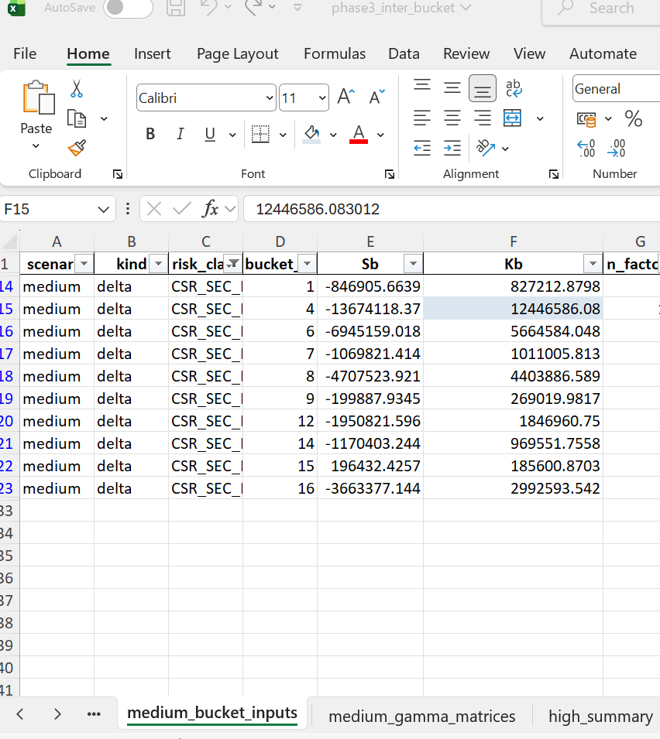

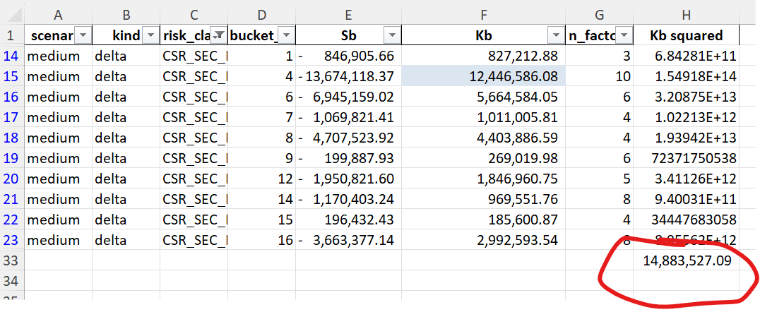

scenario | kind | risk_class | bucket_id | Sb | Kb | n_factors | Kb squared
medium | delta | CSR_SEC_NONCTP | 1 | -846,905.66 | 827,212.88 | 3 | 6.8428114855E+11
medium | delta | CSR_SEC_NONCTP | 4 | -13,674,118.37 | 12,446,586.08 | 10 | 1.5491750512E+14
medium | delta | CSR_SEC_NONCTP | 6 | -6,945,159.02 | 5,664,584.05 | 6 | 3.2087512439E+13
medium | delta | CSR_SEC_NONCTP | 7 | -1,069,821.41 | 1,011,005.81 | 4 | 1.0221327546E+12
medium | delta | CSR_SEC_NONCTP | 8 | -4,707,523.92 | 4,403,886.59 | 4 | 1.939421709E+13
medium | delta | CSR_SEC_NONCTP | 9 | -199,887.93 | 269,019.98 | 6 | 72371750538
medium | delta | CSR_SEC_NONCTP | 12 | -1,950,821.60 | 1,846,960.75 | 5 | 3.4112640109E+12
medium | delta | CSR_SEC_NONCTP | 14 | -1,170,403.24 | 969,551.76 | 8 | 9.4003060714E+11
medium | delta | CSR_SEC_NONCTP | 15 | 196,432.43 | 185,600.87 | 4 | 34447683058
medium | delta | CSR_SEC_NONCTP | 16 | -3,663,377.14 | 2,992,593.54 | 8 | 8.9556161071E+12
 |  |  |  |  |  |  | 14,883,527.09

kind | risk_class | n_buckets | sum_Kb2_sqrt | charge | alt_s_floor_used | scenario
delta | COMMODITY | 7 | 6,054,171.68 | 9,049,180.94 | FALSE | medium
delta | CSR_NONSEC | 5 | 365,977.80 | 549,300.07 | FALSE | medium
delta | CSR_SEC_NONCTP | 10 | 14,883,527.09 | 14,883,527.09 | FALSE | medium
delta | EQUITY | 4 | 6,240,953.48 | 6,481,793.41 | FALSE | medium
delta | FX | 1 | 1,447,270.80 | 1,447,270.80 | FALSE | medium
delta | GIRR | 2 | 18,696,652.70 | 17,509,940.70 | FALSE | medium
vega | EQUITY | 1 | 3,148,466.39 | 3,148,466.39 | FALSE | medium
vega | GIRR | 1 | 356.53 | 356.53 | FALSE | medium

